CSG202119.annotated
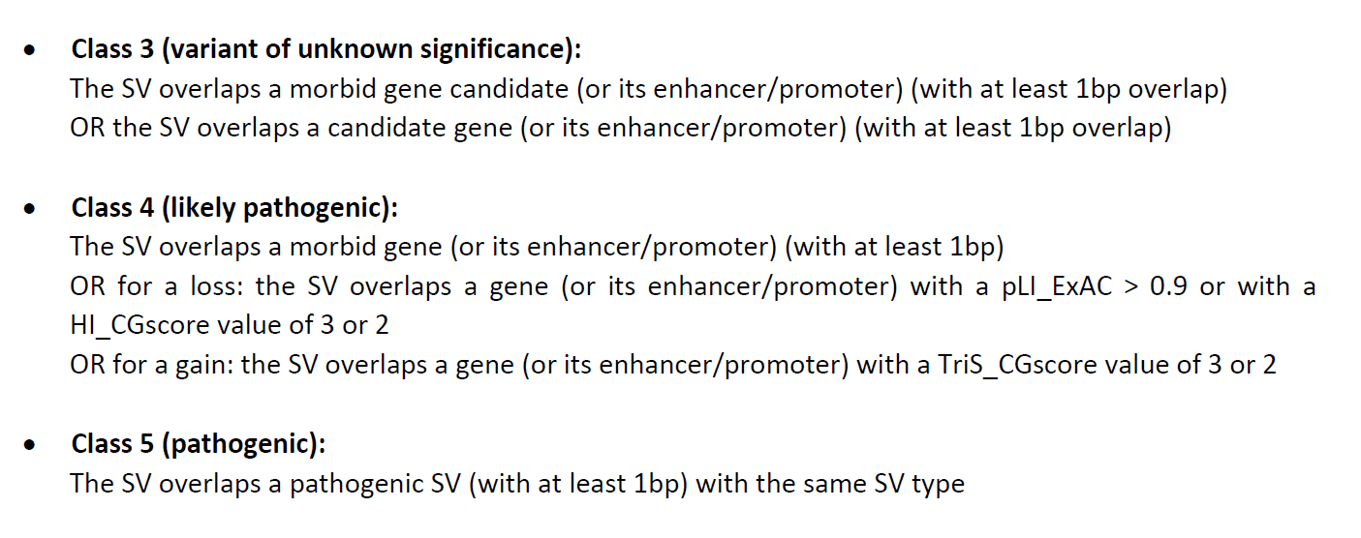
 | concat |  |  | comment | couleur+ comment+ autres infos from cytogenomics | ??? Code couleur si gene OMIM morbid contenus | couleur pli ou noir si ACMG + comment pLI HI_Cg ou TriS ou HI_DDD | virer | virer | virer |  | virer | virer | virer | virer | CONCAT DGV que du type CNV DEL/DUP GAIN /LOSS + couleur >1% en rouge | CONCAT DGV | CONCAT DGV | virer | CONCAT DGV | CONCAT DGV | CONCAT DGV | virer | CONCAT GD | CONCAT GD | CONCAT GD | CONCAT GD | CONCAT GD | virer | virer | CONCAT GD | CONCAT GD | CONCAT GD | CONCAT GD | virer | virer | CONCAT ???? | virer | CONCAT avec enhancer + TAD | CONCAT dbVar trier que DEL/DUP | CONCAT dbVar Nb patient calculer | CONCAT dbVar | avec promoter | virer???? | virer | virer | virer | virer | virer | virer | couleur si > 0,5 sans humanPHENOTYPE ou si > 0,7 avec humanPHENOTYPE |  |  |  | virer- integrer a couleur gene | ne garder que si DUP ou DEL, l'un ou l'autre | ne garder que si DUP ou DEL | CONCAT | CONCAT | CONCAT | CONCAT | CONCAT | CONCAT | commentaire du gène | commentaire du gène | commentaire du gène | virer | virer | commentaire du gène | Comment |  | Comment | ou code couleur sur le full | virer | en premier à trier pour les full et pour les split + explication ranking en commentaire
 |  |  |  |  |  |  |  |  |  |  |  |  |  |  | Chevauchement du CNV au moins de 70% |  |  |  |  |  |  |  |  |  |  |  |  |  |  |  |  |  |  |  |  |  |  |  | CNV chevauché : 70%
 |  |  |  |  |  |  |  |  |  |  |  |  |  |  | DGV Gold |  |  |  |  |  |  |  | gnomAD SV frequency annotations |  |  |  |  |  |  | DDD frequency annotations (population contrôle) |  |  |  |  | 1000 genomes annotations | Ira M. Hall’s lab SV frequency annotations (?) |  |  | Liste des promoteurs chevauchés | dbvar |  |  | TAD |  | GC content (identification site NAHR avec GC content élevé) |  | Repeated sequences annotations |  |  |  | Correlation gène et HPO (score >0,7) |  |  |  | Incidentalome ACMG | Clingen |  | Deciphering Developmental Disorders (DDD) Study |  |  |  |  | Score HI Decipher (<10% HI) | Exac (plus le score est haut, plus il est intolérant? , à revoir) |  |  |  |  |  | OMIM
AnnotSV ID | SV chrom | SV start | SV end | SV length | SV type | AnnotSV type | Gene name | tx | CDS length | tx length | location | location2 | intersectStart | intersectEnd | DGV_GAIN_IDs | DGV_GAIN_n_samples_with_SV | DGV_GAIN_n_samples_tested | DGV_GAIN_Frequency | DGV_LOSS_IDs | DGV_LOSS_n_samples_with_SV | DGV_LOSS_n_samples_tested | DGV_LOSS_Frequency | GD_ID | GD_AN | GD_N_HET | GD_N_HOMALT | GD_AF | GD_POPMAX_AF | GD_ID_others | DDD_SV | DDD_DUP_n_samples_with_SV | DDD_DUP_Frequency | DDD_DEL_n_samples_with_SV | DDD_DEL_Frequency | 1000g_event | IMH_ID | IMH_AF | IMH_ID_others | promoters | dbVar_event | dbVar_variant | dbVar_status | TADcoordinates | ENCODEexperiments | GCcontent_left | GCcontent_right | Repeats_coord_left | Repeats_type_left | Repeats_coord_right | Repeats_type_right | EXOMISER_GENE_PHENO_SCORE | HUMAN_PHENO_EVIDENCE | MOUSE_PHENO_EVIDENCE | FISH_PHENO_EVIDENCE | ACMG | HI_CGscore | TriS_CGscore | DDD_status | DDD_mode | DDD_consequence | DDD_disease | DDD_pmids | HI_DDDpercent | delZ_ExAC | dupZ_ExAC | cnvZ_ExAC | synZ_ExAC | misZ_ExAC | pLI_ExAC | Mim Number | Phenotypes | Inheritance | morbidGenes | morbidGenesCandidates | AnnotSV ranking
15_46866621_47028952_DUP_1 | 15 | 46866621 | 47028952 | 162331 | DUP | full |  |  |  |  |  |  |  |  |  | 0 | 0 | -1 |  | 0 | 0 | -1 | gnomAD-SV_v2.1_DUP_15_40014 | 21694 | 2 | 0 | 9.200000204145908e-05 | 0.0004140000091865659 | gnomAD-SV_v2.1_DEL_15_147441 |  |  | -1 |  | -1 |  | 15:46781492-47191291_DUP | 0.0001188 | 15:40414147-64343008_INV;15:41853703-76553742_INV;15:41859872-76553211_INV;15:41860713-76553027_INV;15:41861791-76552734_INV;15:41862486-76552776_INV;15:41864024-76552620_INV |  |  |  |  |  |  | 0.350 | 0.405 |  |  | 15:47028811-47028921 | MamSINE1 |  |  |  |  |  |  |  |  |  |  |  |  |  |  |  |  |  |  |  |  |  |  |  |  | 2
16_32624578_33604468_DEL_1 | 16 | 32624578 | 33604468 | -979890 | DEL | full | ENPP7P13/LOC102723655/LOC105369266/LOC390705/SLC6A10P/TP53TG3/TP53TG3B/TP53TG3C/TP53TG3E/TP53TG3F |  |  |  |  |  |  |  | gssvG14616,gssvG14618,gssvG14622 | 686 | 13278 | 0.05166441 | gssvL43686,gssvL43689,gssvL43688 | 306 | 14485 | 0.02112530 |  |  |  |  | -1 | -1 |  | 16:32055082-33851279 | 35 | 0.041420118 | 23 | 0.027218935 |  |  | -1 | 16:32345384-33344188_DUP;16:24121263-80276578_INV;16:29238284-88227116_INV;16:30150443-68035917_INV;16:32354182-33512427_INV;16:32354246-33512560_INV | ENPP7P13/LOC102723655/LOC105369266/LOC390705/SLC6A10P/TP53TG3/TP53TG3B/TP53TG3C/TP53TG3E/TP53TG3F |  |  |  |  |  | 0.410 | 0.250 |  |  | 16:33604088-33604542 | L1ME2 | 0.0000 |  |  |  |  |  |  |  |  |  |  |  | 94.39 |  |  |  |  |  |  |  |  |  |  |  | 1
16_32624578_33604468_DEL_1 | 16 | 32624578 | 33604468 | -979890 | DEL | split | ENPP7P13 | NR_130771 | 0 | 14899 | txStart-txEnd | UTR | 33571843 | 33586742 | gssvG14616,gssvG14618,gssvG14620,gssvG14629,gssvG14623,gssvG14640,gssvG14650,gssvG14636,gssvG14671,gssvG14631,gssvG14689 | 4343 | 25017 | 0.17360195 | gssvL43686,gssvL43688,gssvL43690,gssvL43698,gssvL43693,gssvL43706,gssvL43712,gssvL43727,gssvL43734,gssvL43730 | 1763 | 23118 | 0.07626092 |  |  |  |  | -1 | -1 |  | 16:32055082-33851279;16:33230270-33739925;16:33473789-33628580;16:33535864-33778103 | 43 | 0.050887574 | 105 | 0.124260355 |  |  | -1 | 16:24121263-80276578_INV;16:29238284-88227116_INV;16:30150443-68035917_INV |  |  |  |  |  |  |  |  |  |  |  |  | 0.0000 |  |  |  |  |  |  |  |  |  |  |  |  |  |  |  |  |  |  |  |  |  |  |  | 1
16_32624578_33604468_DEL_1 | 16 | 32624578 | 33604468 | -979890 | DEL | split | LOC102723655 | NM_001368237 | 375 | 2609 | txStart-txEnd | 5'UTR-3'UTR | 32684839 | 32687448 | gssvG14621,gssvG14616,gssvG14619,gssvG14627,gssvG14624,gssvG14635,gssvG14618,gssvG14630,gssvG14638,gssvG14622,gssvG14667 | 1040 | 22902 | 0.04541088 | gssvL43691,gssvL43687,gssvL43686,gssvL43695,gssvL43692,gssvL43708,gssvL43699,gssvL43689,gssvL43715,gssvL43688,gssvL43704,gssvL43716,gssvL43697,gssvL43738 | 1696 | 24382 | 0.06955951 | gnomAD-SV_v2.1_DEL_16_153860 | 19970 | 1171 | 0 | 0.05863799899816513 | 0.10204999893903732 | gnomAD-SV_v2.1_DUP_16_42032;gnomAD-SV_v2.1_DUP_16_42033;gnomAD-SV_v2.1_DUP_16_42034 | 16:32055082-33851279;16:32129165-32904510;16:32684834-33264733;16:32684867-32688916 | 111 | 0.131360947 | 143 | 0.169230769 |  |  | -1 | 16:32345384-33344188_DUP;16:24121263-80276578_INV;16:29238284-88227116_INV;16:30150443-68035917_INV;16:32127035-32823585_INV;16:32354182-33512427_INV;16:32354246-33512560_INV |  |  |  |  |  |  |  |  |  |  |  |  |  |  |  |  |  |  |  |  |  |  |  |  |  |  |  |  |  |  |  |  |  |  |  |  | 1
 |  |  |  |  |  | split | LOC105369266 | NR_158162 | 0 | 16422 | txStart-txEnd | UTR | 33215160 | 33231582 | gssvG14616,gssvG14619,gssvG14618,gssvG14622,gssvG14620,gssvG14641 | 832 | 13408 | 0.06205251 | gssvL43687,gssvL43686,gssvL43689,gssvL43688,gssvL43690,gssvL43717,gssvL43737 | 538 | 22885 | 0.02350885 |  |  |  |  | -1 | -1 | gnomAD-SV_v2.1_DUP_16_42040 | 16:32055082-33851279;16:32684834-33264733;16:33204448-33378738 | 35 | 0.041420118 | 23 | 0.027218935 |  |  | -1 | 16:32345384-33344188_DUP;16:24121263-80276578_INV;16:29238284-88227116_INV;16:30150443-68035917_INV;16:32354182-33512427_INV;16:32354246-33512560_INV |  |  |  |  |  |  |  |  |  |  |  |  |  |  |  |  |  |  |  |  |  |  |  |  |  |  |  |  |  |  |  |  |  |  |  |  | 1
 |  |  |  |  |  | split | LOC390705 | NR_033866 | 0 | 435 | txStart-txEnd | UTR | 33298267 | 33298702 | gssvG14616,gssvG14619,gssvG14618,gssvG14622,gssvG14620,gssvG14641,gssvG14629,gssvG14623,gssvG14754,gssvG14647,gssvG14640,gssvG14691 | 2202 | 23416 | 0.09403826 | gssvL43686,gssvL43689,gssvL43688,gssvL43690,gssvL43717,gssvL43698 | 521 | 22885 | 0.02276600 |  |  |  |  | -1 | -1 |  | 16:32055082-33851279;16:33204448-33378738;16:33230270-33739925 | 43 | 0.050887574 | 105 | 0.124260355 |  |  | -1 | 16:32345384-33344188_DUP;16:24121263-80276578_INV;16:29238284-88227116_INV;16:30150443-68035917_INV;16:32354182-33512427_INV;16:32354246-33512560_INV |  |  |  |  |  |  |  |  |  |  |  |  |  |  |  |  |  |  |  |  |  |  |  |  |  |  |  |  |  |  |  |  |  |  |  |  | 1
 |  | eliminer les lignes redondfantes |  |  |  | split | SLC6A10P | NR_003083 | 0 | 7667 | txStart-txEnd | UTR | 32888796 | 32896463 | gssvG14616,gssvG14619,gssvG14624,gssvG14618,gssvG14630,gssvG14622,gssvG14644,gssvG14690,gssvG14652,gssvG14711 | 851 | 21787 | 0.03905999 | gssvL43687,gssvL43686,gssvL43692,gssvL43689,gssvL43688,gssvL43697,gssvL43705 | 516 | 14516 | 0.03554698 |  |  |  |  | -1 | -1 |  | 16:32055082-33851279;16:32129165-32904510;16:32684834-33264733;16:32837911-32941292 | 111 | 0.131360947 | 143 | 0.169230769 |  |  | -1 | 16:32345384-33344188_DUP;16:24121263-80276578_INV;16:29238284-88227116_INV;16:30150443-68035917_INV;16:32354182-33512427_INV;16:32354246-33512560_INV;16:32817226-33076248_INV |  |  |  |  |  |  |  |  |  |  |  |  | 0.0000 |  |  |  |  |  |  |  |  |  |  |  |  |  |  |  |  |  |  |  |  |  |  |  | 1
 |  |  |  |  |  | split | TP53TG3 | NM_016212 | 375 | 2602 | txStart-txEnd | 5'UTR-3'UTR | 32684848 | 32687450 | gssvG14621,gssvG14616,gssvG14619,gssvG14627,gssvG14624,gssvG14635,gssvG14618,gssvG14630,gssvG14638,gssvG14622,gssvG14667 | 1040 | 22902 | 0.04541088 | gssvL43691,gssvL43687,gssvL43686,gssvL43695,gssvL43692,gssvL43708,gssvL43699,gssvL43689,gssvL43715,gssvL43688,gssvL43704,gssvL43716,gssvL43697,gssvL43738 | 1696 | 24382 | 0.06955951 | gnomAD-SV_v2.1_DEL_16_153860 | 19970 | 1171 | 0 | 0.05863799899816513 | 0.10204999893903732 | gnomAD-SV_v2.1_DUP_16_42032;gnomAD-SV_v2.1_DUP_16_42033;gnomAD-SV_v2.1_DUP_16_42034 | 16:32055082-33851279;16:32129165-32904510;16:32684834-33264733;16:32684867-32688916 | 111 | 0.131360947 | 143 | 0.169230769 |  |  | -1 | 16:32345384-33344188_DUP;16:24121263-80276578_INV;16:29238284-88227116_INV;16:30150443-68035917_INV;16:32127035-32823585_INV;16:32354182-33512427_INV;16:32354246-33512560_INV |  |  |  |  |  |  |  |  |  |  |  |  | 0.0000 |  |  |  |  |  |  |  |  |  |  |  | 94.39 |  |  |  |  |  |  |  |  |  |  |  | 1
 |  |  |  |  |  | split | TP53TG3B | NM_001099687 | 375 | 2602 | txStart-txEnd | 5'UTR-3'UTR | 32684848 | 32687450 | gssvG14621,gssvG14616,gssvG14619,gssvG14627,gssvG14624,gssvG14635,gssvG14618,gssvG14630,gssvG14638,gssvG14622,gssvG14667 | 1040 | 22902 | 0.04541088 | gssvL43691,gssvL43687,gssvL43686,gssvL43695,gssvL43692,gssvL43708,gssvL43699,gssvL43689,gssvL43715,gssvL43688,gssvL43704,gssvL43716,gssvL43697,gssvL43738 | 1696 | 24382 | 0.06955951 | gnomAD-SV_v2.1_DEL_16_153860 | 19970 | 1171 | 0 | 0.05863799899816513 | 0.10204999893903732 | gnomAD-SV_v2.1_DUP_16_42032;gnomAD-SV_v2.1_DUP_16_42033;gnomAD-SV_v2.1_DUP_16_42034 | 16:32055082-33851279;16:32129165-32904510;16:32684834-33264733;16:32684867-32688916 | 111 | 0.131360947 | 143 | 0.169230769 |  |  | -1 | 16:32345384-33344188_DUP;16:24121263-80276578_INV;16:29238284-88227116_INV;16:30150443-68035917_INV;16:32127035-32823585_INV;16:32354182-33512427_INV;16:32354246-33512560_INV |  |  |  |  |  |  |  |  |  |  |  |  | 0.0000 |  |  |  |  |  |  |  |  |  |  |  | 92.24 |  |  |  |  |  |  |  |  |  |  |  | 1
 |  |  |  |  |  | split | TP53TG3C | NM_001205259 | 375 | 2040 | txStart-txEnd | 5'UTR-3'UTR | 32685408 | 32687448 | gssvG14621,gssvG14616,gssvG14619,gssvG14627,gssvG14624,gssvG14635,gssvG14618,gssvG14630,gssvG14638,gssvG14622,gssvG14667 | 1040 | 22902 | 0.04541088 | gssvL43691,gssvL43687,gssvL43686,gssvL43695,gssvL43692,gssvL43708,gssvL43699,gssvL43689,gssvL43715,gssvL43688,gssvL43704,gssvL43716,gssvL43697,gssvL43738 | 1696 | 24382 | 0.06955951 | gnomAD-SV_v2.1_DEL_16_153860 | 19970 | 1171 | 0 | 0.05863799899816513 | 0.10204999893903732 | gnomAD-SV_v2.1_DUP_16_42032;gnomAD-SV_v2.1_DUP_16_42033;gnomAD-SV_v2.1_DUP_16_42034 | 16:32055082-33851279;16:32129165-32904510;16:32684834-33264733;16:32684867-32688916 | 111 | 0.131360947 | 143 | 0.169230769 |  |  | -1 | 16:32345384-33344188_DUP;16:24121263-80276578_INV;16:29238284-88227116_INV;16:30150443-68035917_INV;16:32127035-32823585_INV;16:32354182-33512427_INV;16:32354246-33512560_INV |  |  |  |  |  |  |  |  |  |  |  |  | 0.0000 |  |  |  |  |  |  |  |  |  |  |  | 91.96 |  |  |  |  |  |  |  |  |  |  |  | 1
 |  |  |  |  |  | split | TP53TG3E | NM_001330061 | 375 | 2587 | txStart-txEnd | 5'UTR-3'UTR | 32684844 | 32687431 | gssvG14621,gssvG14616,gssvG14619,gssvG14627,gssvG14624,gssvG14635,gssvG14618,gssvG14630,gssvG14638,gssvG14622,gssvG14667 | 1040 | 22902 | 0.04541088 | gssvL43691,gssvL43687,gssvL43686,gssvL43695,gssvL43692,gssvL43708,gssvL43699,gssvL43689,gssvL43715,gssvL43688,gssvL43704,gssvL43716,gssvL43697,gssvL43738 | 1696 | 24382 | 0.06955951 | gnomAD-SV_v2.1_DEL_16_153860 | 19970 | 1171 | 0 | 0.05863799899816513 | 0.10204999893903732 | gnomAD-SV_v2.1_DUP_16_42032;gnomAD-SV_v2.1_DUP_16_42033;gnomAD-SV_v2.1_DUP_16_42034 | 16:32055082-33851279;16:32129165-32904510;16:32684834-33264733;16:32684867-32688916 | 111 | 0.131360947 | 143 | 0.169230769 |  |  | -1 | 16:32345384-33344188_DUP;16:24121263-80276578_INV;16:29238284-88227116_INV;16:30150443-68035917_INV;16:32127035-32823585_INV;16:32354182-33512427_INV;16:32354246-33512560_INV |  |  |  |  |  |  |  |  |  |  |  |  | 0.0000 |  |  |  |  |  |  |  |  |  |  |  |  |  |  |  |  |  |  |  |  |  |  |  | 1
 |  |  |  |  |  | split | TP53TG3F | NM_001330066 | 375 | 2582 | txStart-txEnd | 5'UTR-3'UTR | 32684848 | 32687430 | gssvG14621,gssvG14616,gssvG14619,gssvG14627,gssvG14624,gssvG14635,gssvG14618,gssvG14630,gssvG14638,gssvG14622,gssvG14667 | 1040 | 22902 | 0.04541088 | gssvL43691,gssvL43687,gssvL43686,gssvL43695,gssvL43692,gssvL43708,gssvL43699,gssvL43689,gssvL43715,gssvL43688,gssvL43704,gssvL43716,gssvL43697,gssvL43738 | 1696 | 24382 | 0.06955951 | gnomAD-SV_v2.1_DEL_16_153860 | 19970 | 1171 | 0 | 0.05863799899816513 | 0.10204999893903732 | gnomAD-SV_v2.1_DUP_16_42032;gnomAD-SV_v2.1_DUP_16_42033;gnomAD-SV_v2.1_DUP_16_42034 | 16:32055082-33851279;16:32129165-32904510;16:32684834-33264733;16:32684867-32688916 | 111 | 0.131360947 | 143 | 0.169230769 |  |  | -1 | 16:32345384-33344188_DUP;16:24121263-80276578_INV;16:29238284-88227116_INV;16:30150443-68035917_INV;16:32127035-32823585_INV;16:32354182-33512427_INV;16:32354246-33512560_INV |  |  |  |  |  |  |  |  |  |  |  |  | 0.0000 |  |  |  |  |  |  |  |  |  |  |  |  |  |  |  |  |  |  |  |  |  |  |  | 1
3_22504366_22646787_DUP_1 | 3 | 22504366 | 22646787 | 142421 | DUP | full |  |  |  |  |  |  |  |  |  | 0 | 0 | -1 |  | 0 | 0 | -1 |  |  |  |  | -1 | -1 | gnomAD-SV_v2.1_INV_3_143 |  |  | -1 |  | -1 |  |  | -1 | 3:1200530-154949082_INV;3:3474090-77824459_INV |  |  |  |  |  |  | 0.360 | 0.415 |  |  | 3:22646383-22646690 | MLT2C1 |  |  |  |  |  |  |  |  |  |  |  |  |  |  |  |  |  |  |  |  |  |  |  |  | 2
3_41667185_42635882_DEL_1 | 3 | 41667185 | 42635882 | -968697 | DEL | full | CCK/LYZL4/SEC22C/SS18L2/TRAK1/ULK4/VIPR1/VIPR1-AS1 |  |  |  |  |  |  |  |  | 0 | 0 | -1 |  | 0 | 0 | -1 |  |  |  |  | -1 | -1 | gnomAD-SV_v2.1_INV_3_143 |  |  | -1 |  | -1 |  |  | -1 | 3:1200530-154949082_INV;3:3474090-77824459_INV;3:24885624-100711158_INV;3:31054980-130002468_INV;3:38627145-149162150_INV | CCK/LYZL4/SEC22C/SS18L2/TRAK1/ULK4/VIPR1/VIPR1-AS1 | deletion | nssv15145241;nssv15145481;nssv15145482 | Likely pathogenic | 3:41840001-42200000;3:41840001-42280000;3:41840001-42840000;3:41880001-42320000;3:41880001-42960000;3:41880001-43000000;3:41880001-43040000;3:41880001-44400000;3:41880001-44440000;3:41920001-42240000;3:41920001-42320000;3:41920001-42920000;3:41920001-42960000;3:41920001-50440000;3:41960001-42160000;3:41960001-42240000;3:41960001-42320000;3:41960001-42960000;3:42120001-42240000;3:42160001-42280000;3:42200001-42920000 | ENCFF032FMN:ENCFF066NYU:ENCFF075QYD:ENCFF136AUY:ENCFF248DGB:ENCFF274VJU:ENCFF306YQN:ENCFF310FEU:ENCFF336WPU:ENCFF373MCF:ENCFF437EBV:ENCFF444XGA:ENCFF451MCF:ENCFF471EYL:ENCFF477VVJ:ENCFF531PAV:ENCFF558RGV:ENCFF569KNS:ENCFF588KUZ:ENCFF633ORE:ENCFF654GDV | 0.355 | 0.405 |  |  |  |  | 0.7013 |  |  |  |  |  |  |  |  |  |  |  | 83.62 | 1.50441046371332 | 1.0903281046309 | 1.10617464557329 | 0.863236801393348 | 1.80293060149086 | 0.102013823977247 | 608112 |  |  | yes |  | 5
3_41667185_42635882_DEL_1 | 3 | 41667185 | 42635882 | -968697 | DEL | split | CCK | NM_000729 | 348 | 8360 | txStart-txEnd | 5'UTR-3'UTR | 42299317 | 42307677 |  | 0 | 0 | -1 |  | 0 | 0 | -1 |  |  |  |  | -1 | -1 | gnomAD-SV_v2.1_INV_3_143 |  |  | -1 |  | -1 |  |  | -1 | 3:42103272-42330455_DUP;3:1200530-154949082_INV;3:3474090-77824459_INV;3:24885624-100711158_INV;3:31054980-130002468_INV;3:38627145-149162150_INV | CCK |  |  |  |  |  |  |  |  |  |  |  | 0.0000 |  |  |  |  |  |  |  |  |  |  |  | 19.05 | 0.689742838087454 | -0.217766822523919 | 0.0848708460271607 | 0.863236801393348 | 1.80293060149086 | 0.0203332447661222 |  |  |  |  |  | 2
3_41667185_42635882_DEL_1 | 3 | 41667185 | 42635882 | -968697 | DEL | split | LYZL4 | NM_001304386 | 441 | 13528 | txStart-txEnd | 5'UTR-3'UTR | 42438574 | 42452102 |  | 0 | 0 | -1 |  | 0 | 0 | -1 |  |  |  |  | -1 | -1 | gnomAD-SV_v2.1_DUP_3_8447;gnomAD-SV_v2.1_INV_3_143 |  |  | -1 |  | -1 |  |  | -1 | 3:1200530-154949082_INV;3:3474090-77824459_INV;3:24885624-100711158_INV;3:31054980-130002468_INV;3:38627145-149162150_INV |  |  |  |  |  |  |  |  |  |  |  |  | 0.0000 |  |  |  |  |  |  |  |  |  |  |  | 83.62 | 0.559260469674634 | 0.256375124324416 | 0.447068013765503 | -0.190387256175104 | 0.0187817822737949 | 0.102013823977247 |  |  |  |  |  | 2
3_41667185_42635882_DEL_1 | 3 | 41667185 | 42635882 | -968697 | DEL | split | SEC22C | NM_032970 | 912 | 33999 | txStart-txEnd | 5'UTR-3'UTR | 42589460 | 42623459 |  | 0 | 0 | -1 |  | 0 | 0 | -1 |  |  |  |  | -1 | -1 | gnomAD-SV_v2.1_INV_3_143 |  |  | -1 |  | -1 |  |  | -1 | 3:1200530-154949082_INV;3:3474090-77824459_INV;3:24885624-100711158_INV;3:31054980-130002468_INV;3:38627145-149162150_INV | SS18L2 |  |  |  |  |  |  |  |  |  |  |  | 0.0000 |  |  |  |  |  |  |  |  |  |  |  | 56.06 | -0.217220655485674 | 0.424898270637369 | 0.200199480099923 | 0.189715080073215 | -0.000729242737858071 | 6.67470190337728e-06 |  |  |  |  |  | 2
3_41667185_42635882_DEL_1 | 3 | 41667185 | 42635882 | -968697 | DEL | split | SS18L2 | NM_016305 | 146 | 12551 | txStart-intron3 | 5'UTR-CDS | 42623331 | 42635882 |  | 0 | 0 | -1 |  | 0 | 0 | -1 |  |  |  |  | -1 | -1 | gnomAD-SV_v2.1_INV_3_143 |  |  | -1 |  | -1 |  |  | -1 | 3:1200530-154949082_INV;3:3474090-77824459_INV;3:24885624-100711158_INV;3:31054980-130002468_INV;3:38627145-149162150_INV | SEC22C/SS18L2 |  |  |  |  |  |  |  |  |  |  |  | 0.0000 |  |  |  |  |  |  |  |  |  |  |  | 21.89 | 0.736676039408154 | 1.0903281046309 | 1.10617464557329 | 0.561367165037235 | 0.605555261313122 | 0.0566367510003037 |  |  |  |  |  | 2
3_41667185_42635882_DEL_1 | 3 | 41667185 | 42635882 | -968697 | DEL | split | TRAK1 | NM_001042646 | 2862 | 134534 | txStart-txEnd | 5'UTR-3'UTR | 42132848 | 42267382 |  | 0 | 0 | -1 |  | 0 | 0 | -1 |  |  |  |  | -1 | -1 | gnomAD-SV_v2.1_DUP_3_8443;gnomAD-SV_v2.1_INV_3_143 |  |  | -1 |  | -1 |  |  | -1 | 3:42103272-42330455_DUP;3:1200530-154949082_INV;3:3474090-77824459_INV;3:24885624-100711158_INV;3:31054980-130002468_INV;3:38627145-149162150_INV | TRAK1 |  |  |  |  |  |  |  |  |  |  |  | 0.6802 |  | Intellectual disability / abnormal posture |  |  |  |  |  |  |  |  |  | 37.8 | 1.50441046371332 | -1.12350046344941 | -0.431924452890017 | -0.178271680469149 | 0.801071891733982 | 0.000180386814437295 | 608112 | Epileptic encephalopathy, early infantile, 68, 618201 (3) | AR | yes |  | 4
3_41667185_42635882_DEL_1 | 3 | 41667185 | 42635882 | -968697 | DEL | split | ULK4 | NM_017886 | 3071 | 336410 | txStart-intron30 | 5'UTR-CDS | 41667185 | 42003595 |  | 0 | 0 | -1 | gssvL81214 | 9 | 20458 | 0.00043993 |  |  |  |  | -1 | -1 | gnomAD-SV_v2.1_INV_3_143 |  |  | -1 |  | -1 |  |  | -1 | 3:1200530-154949082_INV;3:3474090-77824459_INV;3:24885624-100711158_INV;3:31054980-130002468_INV;3:38627145-149162150_INV |  | deletion | nssv15145241;nssv15145481;nssv15145482 | Likely pathogenic |  |  |  |  |  |  |  |  | 0.0000 |  |  |  |  |  |  |  |  |  |  |  | 50.69 | -2.62354415217069 | -2.16616630818825 | -2.47162789907313 | -0.980625060283856 | -2.34519344063803 | 1.75893811011673e-22 |  |  |  |  |  | 5
3_41667185_42635882_DEL_1 | 3 | 41667185 | 42635882 | -968697 | DEL | split | VIPR1 | NM_004624 | 1374 | 34926 | txStart-txEnd | 5'UTR-3'UTR | 42544134 | 42579060 |  | 0 | 0 | -1 |  | 0 | 0 | -1 |  |  |  |  | -1 | -1 | gnomAD-SV_v2.1_INV_3_143 |  |  | -1 |  | -1 |  |  | -1 | 3:1200530-154949082_INV;3:3474090-77824459_INV;3:24885624-100711158_INV;3:31054980-130002468_INV;3:38627145-149162150_INV | VIPR1-AS1 |  |  |  |  |  |  |  |  |  |  |  | 0.7013 |  | Intellectual disability / hunched posture |  |  |  |  |  |  |  |  |  | 47.7 | 1.07647430634674 | 0.657607748713798 | 0.942925174410524 | 0.266716417229554 | -0.423811521531823 | 2.09862005970684e-08 |  |  |  |  |  | 2
3_41667185_42635882_DEL_1 | 3 | 41667185 | 42635882 | -968697 | DEL | split | VIPR1-AS1 | NR_046654 | 0 | 1711 | txStart-txEnd | UTR | 42572387 | 42574098 |  | 0 | 0 | -1 |  | 0 | 0 | -1 |  |  |  |  | -1 | -1 | gnomAD-SV_v2.1_INV_3_143 |  |  | -1 |  | -1 |  |  | -1 | 3:1200530-154949082_INV;3:3474090-77824459_INV;3:24885624-100711158_INV;3:31054980-130002468_INV;3:38627145-149162150_INV |  |  |  |  |  |  |  |  |  |  |  |  | 0.0000 |  |  |  |  |  |  |  |  |  |  |  |  |  |  |  |  |  |  |  |  |  |  |  | 2
X_103220412_103288063_DUP _1 | X | 103220412 | 103288063 |  | DUP | full | H2BW1/H2BW3P/H2BW4P/TMSB15B |  |  |  |  |  |  |  |  | 0 | 0 | -1 |  | 0 | 0 | -1 | gnomAD-SV_v2.1_DUP_X_53955;gnomAD-SV_v2.1_DUP_X_53957 | 16120;16120 | 61;1 | 0;0 | 0.0037841200828552246 | 0.00693480996415019 |  |  |  | -1 |  | -1 |  |  | -1 | X:80566106-114639512_INV;X:100326046-129689510_INV | H2BW1/H2BW3P/H2BW4P |  |  |  |  |  | 0.385 | 0.375 |  |  |  |  | 0.0000 |  |  |  |  |  |  |  |  |  |  |  | 62.32 |  |  |  | 1.2268021564992 | -0.32522503240026 | 0.495588758537025 |  |  |  |  |  | 2
X_103220412_103288063_DUP _1 | X | 103220412 | 103288063 |  | DUP | split | H2BW1 | NM_001002916 | 528 | 2541 | txStart-txEnd | 5'UTR-3'UTR | 103265718 | 103268259 | gssvG41083 | 48 | 913 | 0.05257393 |  | 0 | 0 | -1 | gnomAD-SV_v2.1_DUP_X_53955;gnomAD-SV_v2.1_DUP_X_53957;gnomAD-SV_v2.1_DUP_X_53961;gnomAD-SV_v2.1_DUP_X_53962 | 16120;16120;16114;16069 | 61;1;331;325 | 0;0;22;22 | 0.023271700367331505 | 0.047417398542165756 |  |  |  | -1 |  | -1 | <CN2> |  | -1 | X:80566106-114639512_INV;X:100326046-129689510_INV;X:103242456-103305242_INV |  |  |  |  |  |  |  |  |  |  |  |  | 0.0000 |  |  |  |  |  |  |  |  |  |  |  |  |  |  |  |  |  |  |  |  |  |  |  | 1
X_103220412_103288063_DUP _1 | X | 103220412 | 103288063 |  | DUP | split | H2BW3P | NR_130172 | 0 | 2434 | txStart-txEnd | UTR | 103230501 | 103232935 |  | 0 | 0 | -1 |  | 0 | 0 | -1 | gnomAD-SV_v2.1_DUP_X_53955;gnomAD-SV_v2.1_DUP_X_53957 | 16120;16120 | 61;1 | 0;0 | 0.0037841200828552246 | 0.00693480996415019 |  |  |  | -1 |  | -1 |  |  | -1 | X:80566106-114639512_INV;X:100326046-129689510_INV |  |  |  |  |  |  |  |  |  |  |  |  | 0.0000 |  |  |  |  |  |  |  |  |  |  |  |  |  |  |  |  |  |  |  |  |  |  |  | 2
X_103220412_103288063_DUP _1 | X | 103220412 | 103288063 |  | DUP | split | H2BW4P | NR_003238 | 0 | 2434 | txStart-txEnd | UTR | 103230501 | 103232935 |  | 0 | 0 | -1 |  | 0 | 0 | -1 | gnomAD-SV_v2.1_DUP_X_53955;gnomAD-SV_v2.1_DUP_X_53957 | 16120;16120 | 61;1 | 0;0 | 0.0037841200828552246 | 0.00693480996415019 |  |  |  | -1 |  | -1 |  |  | -1 | X:80566106-114639512_INV;X:100326046-129689510_INV |  |  |  |  |  |  |  |  |  |  |  |  | 0.0000 |  |  |  |  |  |  |  |  |  |  |  |  |  |  |  |  |  |  |  |  |  |  |  | 2
X_103220412_103288063_DUP _1 | X | 103220412 | 103288063 |  | DUP | split | TMSB15B | NM_001350213 | 143 | 8596 | intron3-txEnd | CDS-3'UTR | 103220412 | 103229008 |  | 0 | 0 | -1 |  | 0 | 0 | -1 | gnomAD-SV_v2.1_DUP_X_53955;gnomAD-SV_v2.1_DUP_X_53957 | 16120;16120 | 61;1 | 0;0 | 0.0037841200828552246 | 0.00693480996415019 |  |  |  | -1 |  | -1 |  |  | -1 | X:80566106-114639512_INV;X:100326046-129689510_INV |  |  |  |  |  |  |  |  |  |  |  |  | 0.0000 |  |  |  |  |  |  |  |  |  |  |  | 62.32 |  |  |  | 1.2268021564992 | -0.32522503240026 | 0.495588758537025 |  |  |  |  |  | 2

 |  |  |  |  |  |  |  |  |  |  |  |  |  |  |  |  | >500 | >1% |  |  | >500 | >1% |  |  |  |  |  | >1% |  |  |  |  |  |  |  |  |  |  |  |  |  | Pathogenic

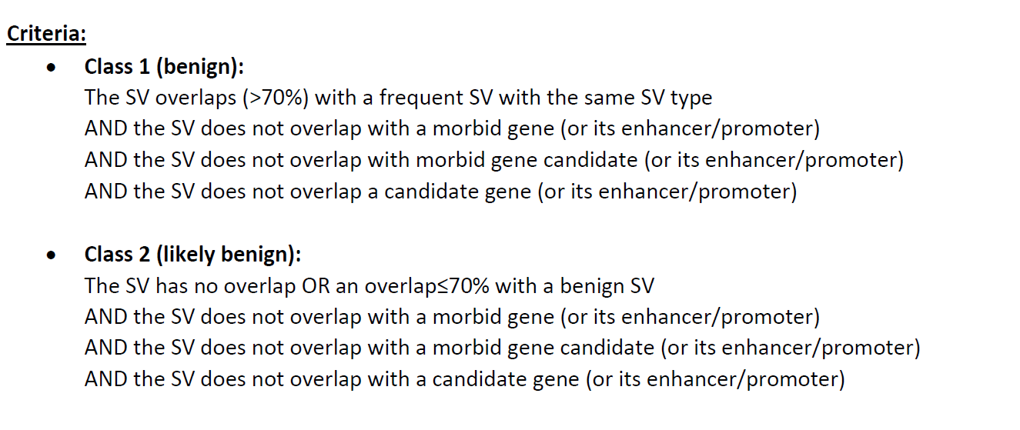
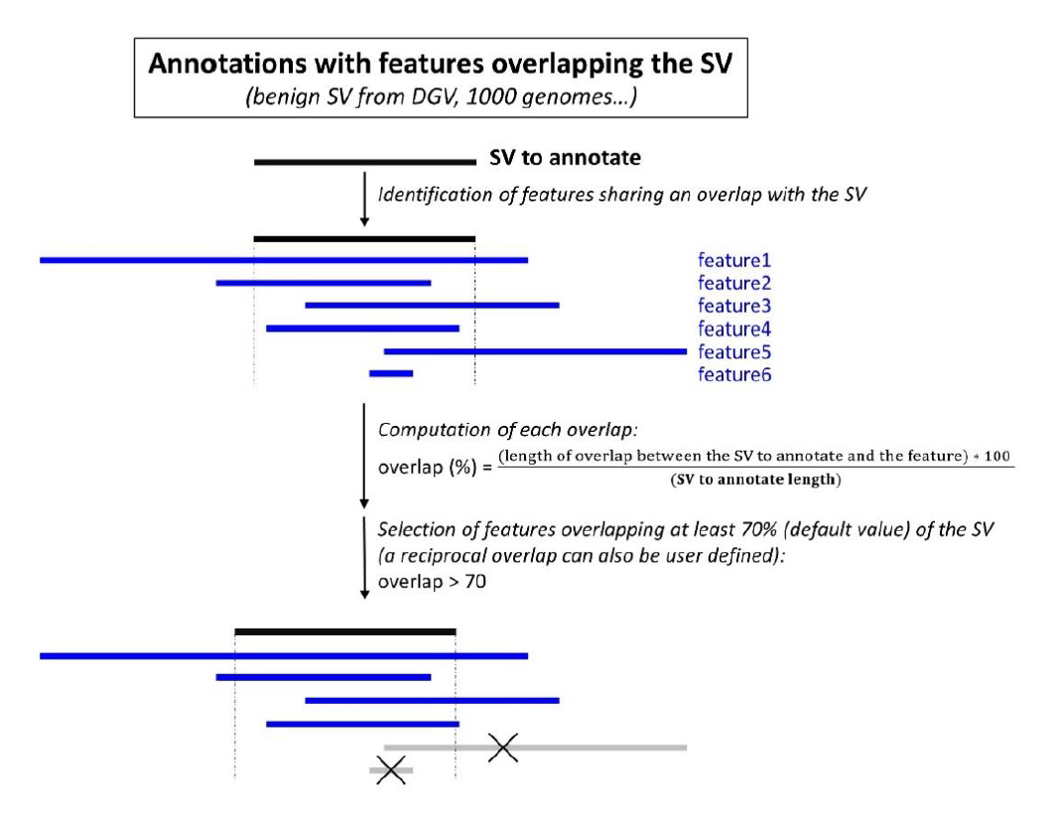
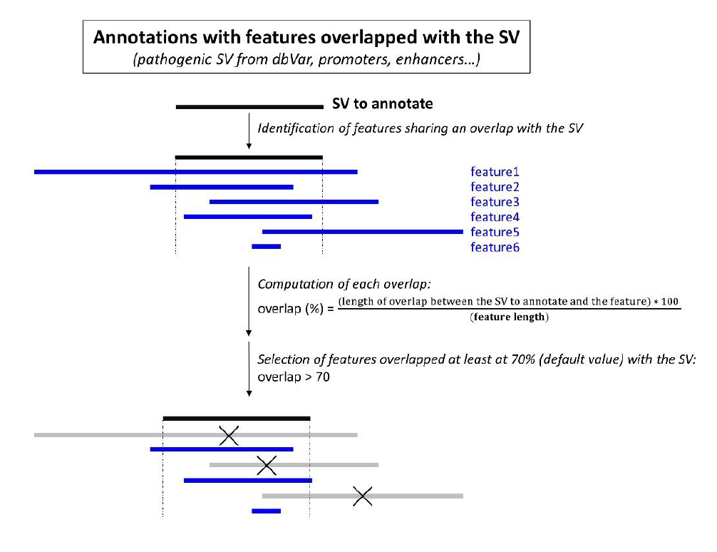

 |  |  |  |  |  |  |  |  |  | PREVOIR FICHIER CONFIG INPUT
 |  |  |  |  |  |  |  |  |  | FIELD NAME : ARRAY OF FIELDS THAT MUST BE PUT AS COMMENTS

